Top 10 Venues
Top 10 Venues with most matches & winning based on Bat & Field first
 | bat | field
Brabourne Stadium | 1 | 2
Dr. Y.S. Rajasekhara Reddy ACA-VDCA Cricket Stadium | 1 | 2
Sardar Patel Stadium, Motera | 2 | 2
Maharashtra Cricket Association Stadium | 2 | 2
Punjab Cricket Association Stadium, Mohali | 2 | 2
Rajiv Gandhi International Stadium, Uppal | 3 | 1
Feroz Shah Kotla |  | 5
MA Chidambaram Stadium, Chepauk | 5 | 2
Eden Gardens | 2 | 5
M Chinnaswamy Stadium |  | 7
Wankhede Stadium | 5 | 3
Count of winner | Column Labels
Row Labels | bat | field | Grand Total
Brabourne Stadium | 1 | 2 | 3
Dr. Y.S. Rajasekhara Reddy ACA-VDCA Cricket Stadium | 1 | 2 | 3
Sardar Patel Stadium, Motera | 2 | 2 | 4
Maharashtra Cricket Association Stadium | 2 | 2 | 4
Punjab Cricket Association Stadium, Mohali | 2 | 2 | 4
Rajiv Gandhi International Stadium, Uppal | 3 | 1 | 4
Feroz Shah Kotla |  | 5 | 5
MA Chidambaram Stadium, Chepauk | 5 | 2 | 7
Eden Gardens | 2 | 5 | 7
M Chinnaswamy Stadium |  | 7 | 7
Wankhede Stadium | 5 | 3 | 8
Grand Total | 23 | 33 | 56

MOM
Top 10 MoM Award Winners
 |  | Player Of The Match | MoM Won
Row Labels | Count of player_of_match | DA Warner | 4
DA Warner | 4 | AM Rahane | 3
AM Rahane | 3 | AD Russell | 3
AD Russell | 3 | A Nehra | 3
A Nehra | 3 | BB McCullum | 2
BB McCullum | 2 | NA | 2
NA | 2 | HH Pandya | 2
HH Pandya | 2 | UT Yadav | 2
UT Yadav | 2 | SK Raina | 2
SK Raina | 2 | AB de Villiers | 2
AB de Villiers | 2 | Harbhajan Singh | 2
Harbhajan Singh | 2
CH Gayle | 2
Grand Total | 29

Matches win by team
Count of toss_winner | Column Labels
Row Labels | bat | field | Grand Total
Chennai Super Kings | 6 | 4 | 10
Mumbai Indians | 6 | 4 | 10
Royal Challengers Bangalore | 3 | 5 | 8
Sunrisers Hyderabad | 2 | 5 | 7
Rajasthan Royals | 3 | 4 | 7
Kolkata Knight Riders | 2 | 5 | 7
Delhi Daredevils | 3 | 2 | 5
Kings XI Punjab |  | 3 | 3
NA |  | 2 | 2
Grand Total | 25 | 34 | 59

Matches Win By Team WRT Bat & Field First Since 2008
 | bat | field
Chennai Super Kings | 6 | 4
Mumbai Indians | 6 | 4
Royal Challengers Bangalore | 3 | 5
Sunrisers Hyderabad | 2 | 5
Rajasthan Royals | 3 | 4
Kolkata Knight Riders | 2 | 5
Delhi Daredevils | 3 | 2
Kings XI Punjab |  | 3
NA |  | 2

Toss Based decision
Toss Decision Based Winning %
Row Labels | Count of winner
bat | 42.37%
field | 57.63%
Grand Total | 100.00%

Sheet7
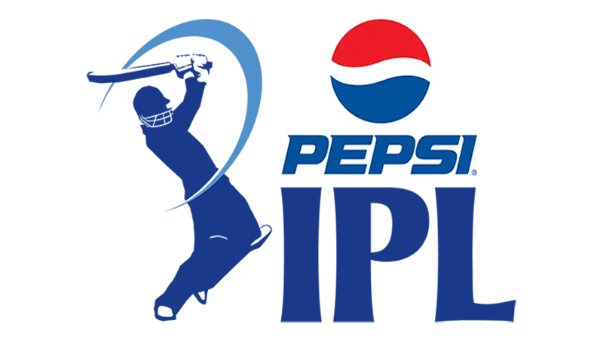
INDIAN PREMIER LEAGUE ANALYSIS
Year
IPL-2015
Winner
Mumbai Indians
Runner Up
Chennai Super Kings
Man of the Match
Rohit Sharma

Matches Win By Team WRT Bat & Field First Since 2008
 | bat | field
Chennai Super Kings | 6 | 4
Mumbai Indians | 6 | 4
Royal Challengers Bangalore | 3 | 5
Sunrisers Hyderabad | 2 | 5
Rajasthan Royals | 3 | 4
Kolkata Knight Riders | 2 | 5
Delhi Daredevils | 3 | 2
Kings XI Punjab |  | 3
NA |  | 2
Toss Decision Based Winning %
 | Total
bat | 42.37%
field | 57.63%
Top 10 Venues with most matches & winning based on Bat & Field first
 | bat | field
Brabourne Stadium | 1 | 2
Dr. Y.S. Rajasekhara Reddy ACA-VDCA Cricket Stadium | 1 | 2
Sardar Patel Stadium, Motera | 2 | 2
Maharashtra Cricket Association Stadium | 2 | 2
Punjab Cricket Association Stadium, Mohali | 2 | 2
Rajiv Gandhi International Stadium, Uppal | 3 | 1
Feroz Shah Kotla |  | 5
MA Chidambaram Stadium, Chepauk | 5 | 2
Eden Gardens | 2 | 5
M Chinnaswamy Stadium |  | 7
Wankhede Stadium | 5 | 3

Top 10 MoM Award Winners
 | MoM Won
DA Warner | 4
AM Rahane | 3
AD Russell | 3
A Nehra | 3
BB McCullum | 2
NA | 2
HH Pandya | 2
UT Yadav | 2
SK Raina | 2
AB de Villiers | 2
Harbhajan Singh | 2

